Cigarette Case
SKU | Image | Product Name | Color | C/NO. | Quantity | Weight(KG) | Weight(LB) | Weight(OZ)
WK-HEA10342495011-ETHAN00293 | 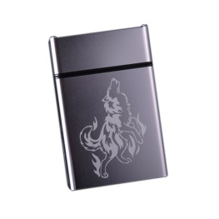 | 来福爱仕烟盒20支装超薄男士女士自动弹盖创意香菸盒直接装软包 | Gray | Cigarette Case 002(5) | 5 | 0.14 | 0.31 | 5
WK-HEA10342495011-ETHAN00292 | 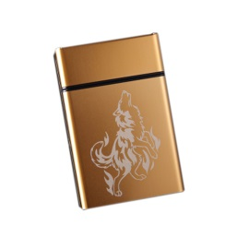 | 来福爱仕烟盒21支装超薄男士女士自动弹盖创意香菸盒直接装软包 | Gold | Cigarette Case 001(5) | 5 | 0.14 | 0.31 | 5
WK-HEA10342495011-ETHAN00291 | 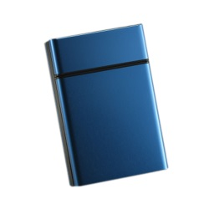 | 来福爱仕烟盒22支装超薄男士女士自动弹盖创意香菸盒直接装软包 | Blue | Cigarette Case 001(5) | 5 | 0.14 | 0.31 | 5
 |  |  |  | Total: | 15

Decorative Paper Tape
SKU | Image | Product Name | Style | C/NO. | Quantity | Weight(KG) | Weight(LB) | Weight(OZ)
WK-OFF228921-ETHAN00747 | 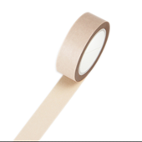 | Set of 5 Seasons Color Decorative Craft Washi Masking Tape for DIY and Gift Wrapping 15mmx7m #19 | Light Brown | Masking Tape 001 (10) | 10 | 0.18 | 0.40 | 7
WK-OFF228921-ETHAN00757 | 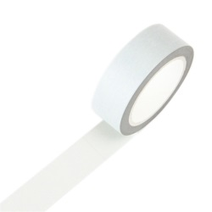 | Set of 5 Soft Color Series Solid Color Decorative Craft Washi Masking Tape 15mmx10m, Gray | Gray | Masking Tape 001 (10) | 10 | 0.18 | 0.40 | 7
WK-OFF228921-SQUARE00339 | 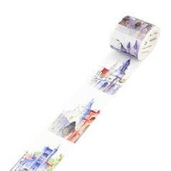 | Decorative Craft Masking Tape DIY Crafts Gift Washi Tape 40mmx7m,Australia | Australia | Masking Tape 001 (5) | 5 | 0.11 | 0.24 | 4
WK-OFF228921-SQUARE00342 | 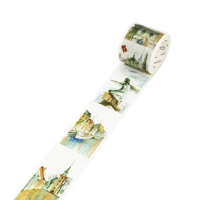 | Decorative Craft Masking Tape DIY Crafts Gift Washi Tape 40mmx7m,Denmark | Denmark | Masking Tape 001 (5) | 5 | 0.11 | 0.24 | 4
WK-OFF228921-SQUARE00351 | 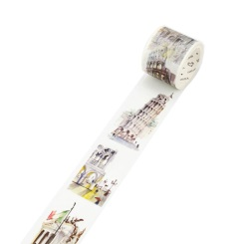 | Decorative Craft Masking Tape DIY Crafts Gift Washi Tape 40mmx7m,Italy | Italy | Masking Tape 001 (10) | 10 | 0.11 | 0.24 | 4
WK-OFF228921-SQUARE00353 | 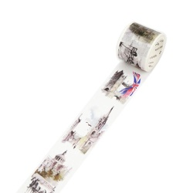 | Decorative Craft Masking Tape DIY Crafts Gift Washi Tape 40mmx7m,Britain | England | Masking Tape 001 (14) | 14 | 0.11 | 0.24 | 4
 |  |  |  | Total | 54

Decorative Skateboard Tape
SKU | Image | Product Name | Size | C/NO. | Packing | Quantity | Weight(KG) | Weight(LB) | Weight(OZ)
WK-SPO3416161-KRIS00707 | 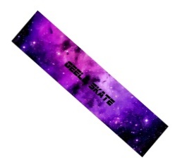 | Skateboard Grip tape Sheet BUBBLE FREE Scrub stickers Wear-resistant Anti-slip，Purple #35 | 47.2 "x 9.8" (120 x 25 cm) | Skateboard Grip Tape 001 (3) | Please roll up the sticker with a cylindrical object, wrap the protective film when send it before. | 3 | 0.40 | 0.88 | 15
WK-SPO3416161-KRIS00689 |  | Skateboard Grip tape Sheet BUBBLE FREE Scrub stickers Wear-resistant Anti-slip，Black #17 | 47.2 "x 9.8" (120 x 25 cm) | Skateboard Grip Tape 001 (3) | Please roll up the sticker with a cylindrical object, wrap the protective film when send it before. | 3 | 0.40 | 0.88 | 15
WK-SPO3416161-KRIS00704 | 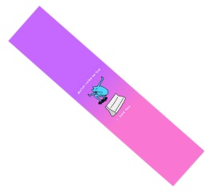 | Skateboard Grip tape Sheet BUBBLE FREE Scrub stickers Wear-resistant Anti-slip，Purple #32 | 47" x 9.8" (120 x 25 cm) | Skateboard Grip Tape 002 (3) | Please roll up the sticker with a cylindrical object, wrap the protective film when send it before. | 3 | 0.40 | 0.88 | 15
WK-SPO3416161-KRIS00740 | 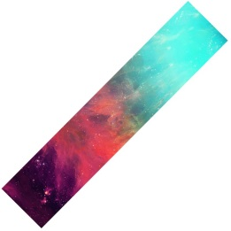 | Skateboard Grip tape Sheet BUBBLE FREE Scrub stickers Wear-resistant Anti-slip #67 | 47" x 9.8" (120 x 25 cm) | Skateboard Grip Tape 002 (3) | Please roll up the sticker with a cylindrical object, wrap the protective film when send it before. | 3 | 0.40 | 0.88 | 15
WK-SPO3416161-KRIS00717 | 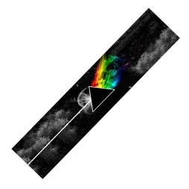 | Skateboard Grip tape Sheet BUBBLE FREE Scrub stickers Wear-resistant Anti-slip，Black #45 | 48" x 8.6" (122 x 28 cm) | Skateboard Grip Tape 003 (3) | Please roll up the sticker with a cylindrical object, wrap the protective film when send it before. | 3 | 0.40 | 0.88 | 15
WK-SPO3416161-KRIS00693 | 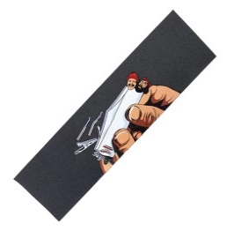 | Skateboard Grip tape Sheet BUBBLE FREE Scrub stickers Wear-resistant Anti-slip #21 | 47" x 9.8" (120 x 25 cm) | Skateboard Grip Tape 003 (5) | Please roll up the sticker with a cylindrical object, wrap the protective film when send it before. | 5 | 0.40 | 0.88 | 15
WK-SPO3416161-KRIS00746 |  | Skateboard Grip tape Sheet BUBBLE FREE Scrub stickers Wear-resistant Anti-slip,Black #73 | 9 "x 33" (23 x 84 cm) | Skateboard Grip Tape 003 (5) | Please roll up the sticker with a cylindrical object, wrap the protective film when send it before. | 5 | 0.40 | 0.88 | 15
 |  |  |  |  | Total: | 25

Earmuff
SKU | Image | Product Name | Style | C/NO. | Quantity | Weight(KG) | Weight(LB) | Weight(OZ)
WK-CLO2474962011-LIZ00818 | 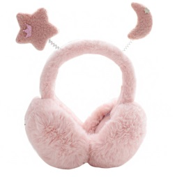 | Unisex Winter Earmuffs Cute Ear Warmers for Women Plush Earmuffs,star moon,pink | Star-Moon-Pink | Earmuffs 001 (3) | 3 | 0.42 | 0.93 | 15
WK-CLO2474962011-LIZ00819 |  | Unisex Winter Earmuffs Cute Ear Warmers for Women Plush Earmuffs,star moon,white | Star-Moon-White | Earmuffs 001 (3) | 3 | 0.42 | 0.93 | 15
WK-CLO2474962011-LIZ00820 |  | Unisex Winter Earmuffs Cute Ear Warmers for Women Plush Earmuffs,rabbit,brown | Rabbit-Brown | Earmuffs 001 (3) | 3 | 0.42 | 0.93 | 15
WK-CLO2474962011-LIZ00821 |  | Unisex Winter Earmuffs Cute Ear Warmers for Women Plush Earmuffs,rabbit,white | Rabbit-White | Earmuffs 001 (3) | 3 | 0.42 | 0.93 | 15
WK-CLO2474962011-LIZ00822 |  | Unisex Winter Earmuffs Cute Ear Warmers for Women Plush Earmuffs,reindeer,brown | Deer-Brown | Earmuffs 001 (3) | 3 | 0.42 | 0.93 | 15
WK-CLO2474962011-LIZ00823 |  | Unisex Winter Earmuffs Cute Ear Warmers for Women Plush Earmuffs,reindeer,grey | Deer-Beige | Earmuffs 001 (3) | 3 | 0.42 | 0.93 | 15
 |  |  |  | Total: | 18

Face Mask
SKU | Image | Product Name | Style | C/NO. | Quantity | Weight(KG) | Weight(LB) | Weight(OZ)
WK-SPO2474985011-ETHAN00180 | 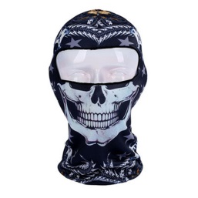 | Outdoor Fancy Balaclavas Headwear Hood Face Mask for Cycling Skiing Snowboarding, Skull-2 | BB-27 | Face Mask 001 (5) | 5 | 0.05 | 0.11 | 2
WK-SPO2474985011-ETHAN00181 | 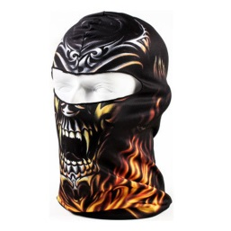 | Outdoor Fancy Balaclavas Headwear Hood Face Mask for Cycling Skiing Snowboarding, Monster | BB-20 | Face Mask 001 (5) | 5 | 0.05 | 0.11 | 2
WK-SPO2474985011-ETHAN00183 | 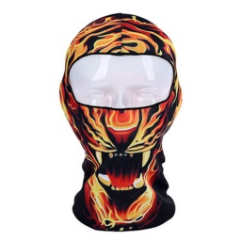 | Outdoor Fancy Balaclavas Headwear Hood Face Mask for Cycling Skiing Snowboarding, Tiger-3 | BB-37 | Face Mask 001 (5) | 5 | 0.05 | 0.11 | 2
WK-SPO2474985011-ETHAN00184 | 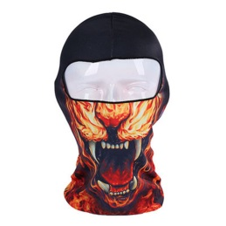 | Outdoor Fancy Balaclavas Headwear Hood Face Mask for Cycling Skiing Snowboarding, Tiger-4 | BB-38 | Face Mask 001 (5) | 5 | 0.05 | 0.11 | 2
WK-SPO2474985011-ETHAN00185 | 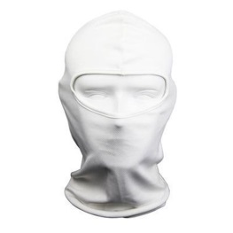 | Outdoor Fancy Balaclavas Headwear Hood Face Mask for Cycling Skiing Snowboarding, White | BF-04 White | Face Mask 001 (5) | 5 | 0.05 | 0.11 | 2
 |  |  |  | Total: | 25

Headband
SKU | Image | Product Name | Style | C/NO. | Quantity | Weight(KG) | Weight(LB) | Weight(OZ)
WK-CLO2474978011-ETHAN00002 | 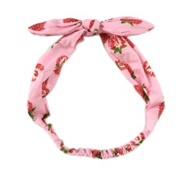 | Elastic tightened bow styles fashionable scarf hair band headband (Strawberry - Pink) | Pink-Strawberry | Cigarette Case 002(5) | 5 | 0.06 | 0.13 | 3
WK-CLO2474978011-ETHAN00005 | 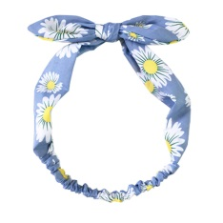 | Elastic tightened bow styles fashionable scarf hair band headband ( blue stripes) | Blue-Daisy | Cigarette Case 002(5) | 5 | 0.06 | 0.13 | 3
 |  |  |  | Total: | 10

Oven Gloves
SKU | Image | Product Name | C/NO. | Quantity | Weight(KG) | Weight(LB) | Weight(OZ)
WK-HOM678536011-SQUARE00429 | 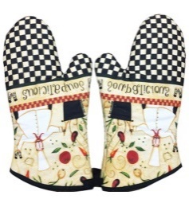 | 1 Pair Oven Gloves Non-Slip Kitchen Oven Mitts Heat Resistant Cooking Gloves,m | Oven Gloves 002 (5) | 5 | 0.25 | 0.55 | 9
WK-HOM678536011-SQUARE00434 | 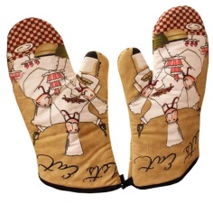 | 1 Pair Oven Gloves Non-Slip Kitchen Oven Mitts Heat Resistant Cooking Gloves,r | Oven Gloves 001 (5) | 5 | 0.25 | 0.55 | 9
 |  |  | Total: | 10

Pencil Art Set
SKU | Image | Product Name | C/NO. | Quantity | Weight(KG) | Weight(LB) | Weight(OZ)
WK-OFF12901051-SQUARE00681 | 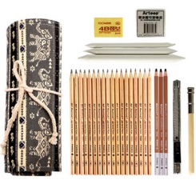 | Professional Art Kit Drawing and Sketching Pencil Art Set with Bag/Case,m | Pencil Art Set 001 (3) | 3 | 0.50 | 1.10 | 18
WK-OFF12901051-SQUARE00672 |  | Professional Art Kit Drawing and Sketching Pencil Art Set with Bag/Case,d | Pencil Art Set 001 (3) | 3 | 0.50 | 1.10 | 18
WK-OFF12901051-SQUARE00675 | 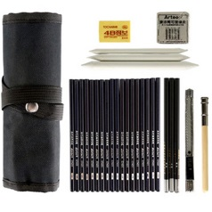 | Professional Art Kit Drawing and Sketching Pencil Art Set with Bag/Case,g | Pencil Art Set 001 (3) | 3 | 0.50 | 1.10 | 18
 |  |  | Total: | 9

Single Eye Mask
SKU | Image | Product Name | C/NO. | Quantity | Size | Weight(KG) | Weight(LB) | Weight(OZ)
WK-BEA11061971-SQUARE00231 | 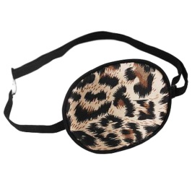 | Adult Kids Amblyopia Strabismus Lazy Eye Adjustable Soft Pirate Eye Patch Single Eye Mask (Kids) ,m | Pencil Art Set 001 (50) | 50 | Kids | 0.02 | 0.04 | 0.71
WK-BEA11061971-SQUARE00232 | 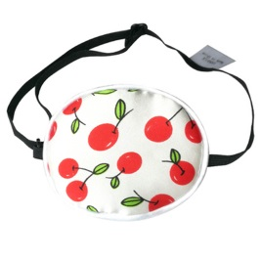 | Adult Kids Amblyopia Strabismus Lazy Eye Adjustable Soft Pirate Eye Patch Single Eye Mask (Kids) ,n | Pencil Art Set 001 (24) | 24 | Kids | 0.02 | 0.04 | 0.71
WK-BEA11061971-SQUARE00221 | 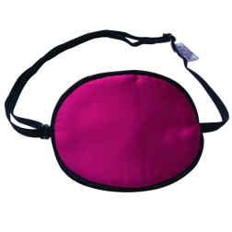 | Adult Kids Amblyopia Strabismus Lazy Eye Adjustable Soft Pirate Eye Patch Single Eye Mask (Kids) ,c | Pencil Art Set 001 (10) | 10 | Kids | 0.02 | 0.04 | 0.71
WK-BEA11061971-SQUARE00227 | 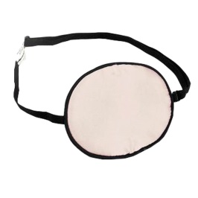 | Adult Kids Amblyopia Strabismus Lazy Eye Adjustable Soft Pirate Eye Patch Single Eye Mask (Kids) ,i | Pencil Art Set 001 (10) | 10 | Kids | 0.02 | 0.04 | 0.71
WK-BEA11061971-SQUARE01034 | 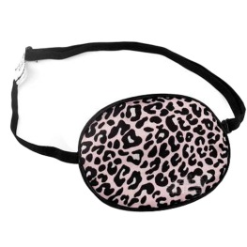 | Adult Kids Amblyopia Strabismus Lazy Eye Adjustable Soft Pirate Eye Patch Single Eye Mask (Adult),i | Pencil Art Set 001 (20) | 20 | Adult | 0.02 | 0.04 | 0.71
WK-BEA11061971-SQUARE01031 | 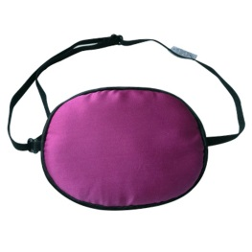 | Adult Kids Amblyopia Strabismus Lazy Eye Adjustable Soft Pirate Eye Patch Single Eye Mask (Adult) ,f | Pencil Art Set 001 (10) | 10 | Adult | 0.02 | 0.04 | 0.71
 |  |  | Total: | 124

